Risk Scoring Methodology
 | From SES Water document: QESP6 Risk and Opportunity Management V4

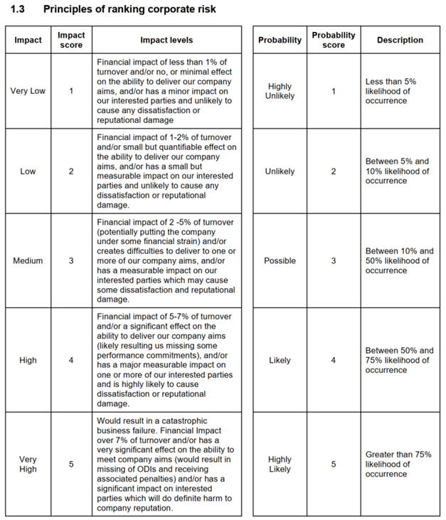

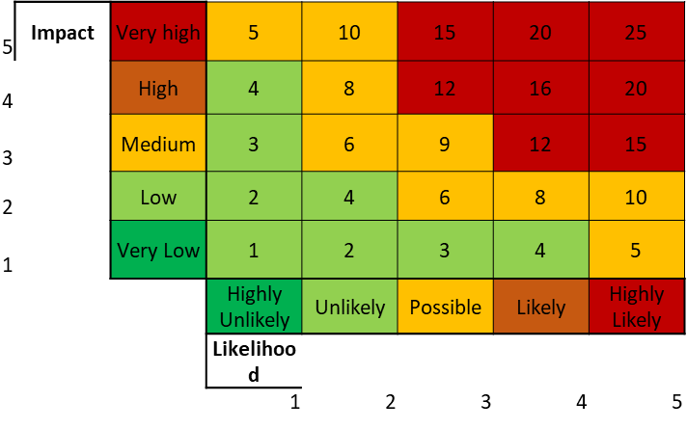
 |  | Time horizons |  | Year
 |  | 30 | years | 2050
SESW Turnover 2020 |  | 50 | years | 2080
£70,000,000
 |  | frequency
up to |  | up to
£700,000 |  | 1.5 | in 30 years
 |  | 2.5 | in 50 years

 |  | frequency
up to |  | up to
£1,400,000 |  | 3 | in 30 years
 |  | 5 | in 50 years

up to |  | frequency
£3,500,000 |  | up to
 |  | 15 | in 30 years
 |  | 25 | in 50 years

up to |  | frequency
£4,900,000 |  | up to
 |  | 22.5 | in 30 years
 |  | 37.5 | in 50 years

more than |  | frequency
£4,900,000 |  | more than
 |  | 22.5 | in 30 years
 |  | 37.5 | in 50 years

